Sheet1
Building Sewer Tools

 | Please complete the following questionnaire:

 | 1. How far (meters) is the house from the location of the septic tank or public sewer? |  |  |  |  |  |  | 20 | meters
 | 2. How many bends greater than 30 degrees are in the sewer line run? |  |  |  |  |  |  | 2 | Number of bends

 | Outputs

 |  | Required drop from house drain to septic tank or sewer tap |  |  |  | 35.75 | cm

 | Materials list

 |  | 20 | meters of 4" sewer line (PVC or ABS)
 |  | 3 | 2-Way cleanouts with caps
 |  | 0.7 | Cubic meters of bedding material

 | Notes
 |  | a. | Your sewer line needs to have a drop of |  | 35.75 | Inches. If the natural slope of the land requires a greater drop, you will need to install a vertical sewer drop.

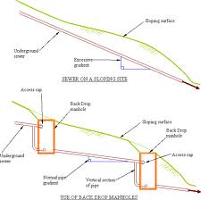
Install a sewer drop if your actual slope on your site is greater than the required drop when calculating the 2% grade. The sewer drop or step is a vertical section that allows you to maintain your 2% slope for the horizontal sewer run.
Always make sure to install a cleanout with a cap to access each drop in case of a clog.

Incorrect - sewer line is too steep. It will result in solids accumulating in the pipes and clogging problems.

Correct - sewer runs are at the required 2% and "steps" or drops are installed to achieve the required vertical distance.

 |  |  |  | Installing a sewer drop or "step"

